Readme
Please Readme first
** This workbook contains the solved derivative examples described in https://excel-works.com/manual/differentiation
** Before you can run the examples in this workbook, you need to download and install ExceLab Calculus Add-in from https://excel-works.com
** If Excel inserts the @ symbol in the formulas the first time you open the workbook, delete it before evaluating/saving the workbook.
** Enabling Macros is required only for Example 2 which shows how compute derivative for a VBA function. You can still run the rest of the examples without enabling macros.
**Questions or comments? Email us at support@excel-works.com
© ExcelWorks LLC

DERIVF
 |  |  | 0
 |  |  | 1

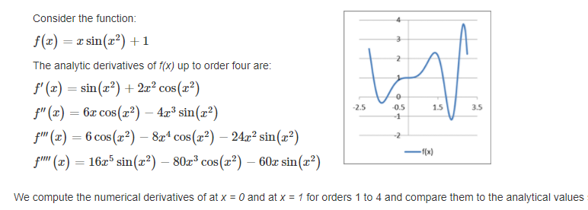

f(x) | 1 | Analytical derivative formulas
 | At x=0
f' | 3.1860332061E-15 | 0
f'' | 0 | 0
f''' | 6 | 6
f'''' | 1.2789621214E-15 | 0

 | At x=1
f' | 1.9220755965 | 1.9220755965
f'' | -0.12407010401 | -0.12407010402
f''' | -21.275908247 | -21.275908247
f'''' | -80.248907802 | -80.248907801

